Benchmark Chart
Divergence Between S&P 500 and TSF Portfolio
 | Difference | TSF Portfolio | S&P 500
9/1/2015 | 0.00% | 0.00% | 0.00%
10/1/2015 | 1.50% | 2.03% | 0.52%
11/1/2015 | 1.55% | 10.20% | 8.65%
12/1/2015 | 0.87% | 10.73% | 9.86%
1/1/2016 | 0.42% | 7.22% | 6.80%
2/1/2016 | 1.37% | 2.75% | 1.38%
3/1/2016 | 1.02% | 1.98% | 0.96%
4/1/2016 | -0.81% | 6.82% | 7.62%
5/1/2016 | -2.60% | 6.47% | 9.07%
6/1/2016 | -3.88% | 5.69% | 9.57%
7/1/2016 | -3.11% | 6.56% | 9.67%
8/1/2016 | -5.44% | 8.13% | 13.57%
9/1/2016 | -5.78% | 7.66% | 13.43%
10/1/2016 | -7.15% | 6.15% | 13.29%
11/1/2016 | -6.39% | 4.70% | 11.09%
12/1/2016 | -8.98% | 5.98% | 14.96%
1/1/2017 | -9.27% | 7.71% | 16.98%
2/1/2017 | -10.26% | 8.81% | 19.07%
3/1/2017 | -12.06% | 11.44% | 23.50%
4/1/2017 | -13.14% | 10.31% | 23.45%
5/1/2017 | -13.76% | 10.82% | 24.58%
6/1/2017 | -14.97% | 11.05% | 26.02%
7/1/2017 | -14.91% | 11.71% | 26.62%
8/1/2017 | -15.37% | 13.70% | 29.07%
9/1/2017 | -16.21% | 12.93% | 29.15%
10/1/2017 | -17.43% | 14.21% | 31.64%
10/24/2017 | -18.83% | 15.41% | 34.24%

BENCHMARKS
DATE | TSF VALUE | MoM CHANGE | S&P 500 | MoM CHANGE | YoY Change | TOTAL | SPY Total return\ | Difference\ | SPY + Cash
2015-09-01 | $44,597.44 | - | 1,913.85 | - |  | 0.00% | 0.00% | 0.00% | 0.00%
2015-10-01 | $45,500.93 | 2.03% | 1,923.82 | 0.52% |  | 2.03% | 0.52% | 1.50% | 0.40%
Divergence Between S&P 500 and TSF Portfolio
2015-11-01 | $49,146.12 | 8.01% | 2,079.36 | 8.08% |  | 10.20% | 8.65% | 1.55% | 6.64%
2015-12-01 | $49,383.98 | 0.48% | 2,102.63 | 1.12% |  | 10.73% | 9.86% | 0.87% | 7.58%
2016-01-01 | $47,816.83 | -3.17% | 2,043.94 | -2.79% |  | 7.22% | 6.80% | 0.42% | 5.22%
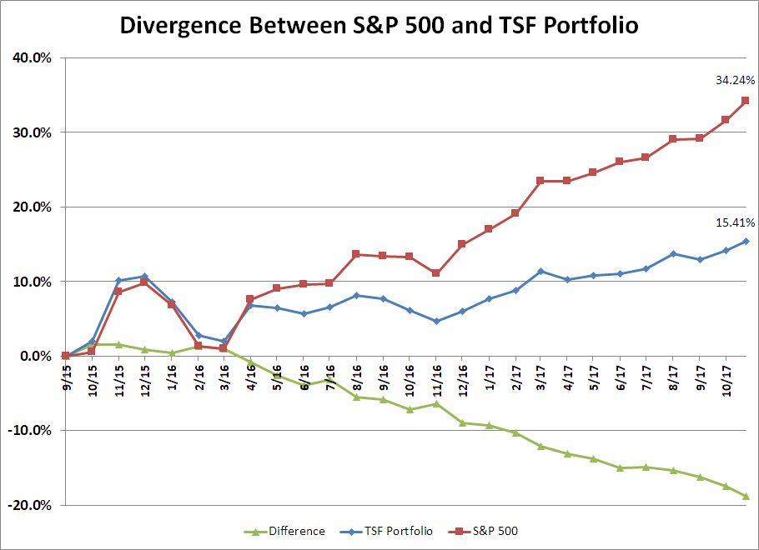
2016-02-01 | $45,825.16 | -4.17% | 1,940.24 | -5.07% |  | 2.75% | 1.38% | 1.37% | 1.06%
2016-03-01 | $45,479.91 | -0.75% | 1,932.23 | -0.41% |  | 1.98% | 0.96% | 1.02% | 0.74%
2016-04-01 | $47,637.74 | 4.74% | 2,059.74 | 6.60% |  | 6.82% | 7.62% | -0.81% | 5.85%
2016-05-01 | $47,482.04 | -0.33% | 2,087.38 | 1.34% |  | 6.47% | 9.07% | -2.60% | 6.96%
2016-06-01 | $47,133.56 | -0.73% | $2,096.96 | 0.46% |  | 5.69% | 9.57% | -3.88% | 7.35%
2016-07-01 | $47,523.66 | 0.83% | $2,098.86 | 0.09% |  | 6.56% | 9.67% | -3.11% | 7.42%
2016-08-01 | $48,223.53 | 1.47% | $2,173.60 | 3.56% |  | 8.13% | 13.57% | -5.44% | 10.42%
2016-09-01 | $48,012.03 | -0.44% | $2,170.95 | -0.12% |  | 7.66% | 13.43% | -5.78% | 10.32%
2016-10-01 | $47,339.35 | -1.40% | $2,168.27 | -0.12% |  | 6.15% | 13.29% | -7.15% | 10.21%
2016-11-01 | $46,692.70 | -1.37% | $2,126.15 | -1.94% |  | 4.70% | 11.09% | -6.39% | 8.52%
2016-12-01 | $47,263.65 | 1.22% | $2,200.17 | 3.48% | -4.3% | 5.98% | 14.96% | -8.98% | 11.49%
2017-01-01 | $48,034.95 | 1.63% | $2,238.83 | 1.76% | 0.5% | 7.71% | 16.98% | -9.27% | 13.04%
2017-02-01 | $48,528.62 | 1.03% | $2,278.87 | 1.79% | 5.9% | 8.81% | 19.07% | -10.26% | 14.65%
2017-03-01 | $49,700.54 | 2.41% | $2,363.64 | 3.72% | 9.3% | 11.44% | 23.50% | -12.06% | 18.05%
2017-04-01 | $49,195.24 | -1.02% | $2,362.72 | -0.04% | 3.3% | 10.31% | 23.45% | -13.14% | 18.01%
2017-05-01 | $49,422.82 | 0.46% | $2,384.20 | 0.91% | 4.1% | 10.82% | 24.58% | -13.76% | 18.87%
2017-06-01 | $49,523.82 | 0.20% | $2,411.80 | 1.16% | 5.1% | 11.05% | 26.02% | -14.97% | 19.98%
2017-07-01 | $49,821.00 | 0.60% | $2,423.41 | 0.48% | 4.8% | 11.71% | 26.62% | -14.91% | 20.45%
2017-08-01 | $50,707.78 | 1.78% | $2,470.30 | 1.93% | 5.2% | 13.70% | 29.07% | -15.37% | 22.33%
2017-09-01 | $50,364.54 | -0.68% | $2,471.65 | 0.05% | 4.9% | 12.93% | 29.15% | -16.21% | 22.38%
2017-10-01 | $50,934.54 | 0.45% | $2,519.36 | 1.99% | 7.6% | 14.21% | 31.64% | -17.43% | 24.30%
2017-10-24 | $51,468.91 | 1.05% | $2,569.13 | 3.94% | 10.2% | 15.41% | 34.24% | -18.83% | 26.30% | 16.09%
 |  |  |  |  | 0.18487549982 |  |  |  | 1.5755836805

 |  |  | Correl | 0.91

